Instructions
 | 3/4 Year Old Weekly Costing Tool

 | Background

 | This spreadsheet has been developed following the introduction of the Extended 30hr Entitlement from Sept2017.
 | The aim of this spreadsheet is to allow schools with Nursery/Extended Services provision to be able to better analyse their
 | staffing expenditure against levels of occupancy and the income they receive for this.
 | The data can be used to help the school assess whether the levels of occupancy they are expecting are likey to cover the
 | cost of the staffing, to establish a break-even point and to help determine if other non staffing costs can me met from any
 | surplus identified.

 | Assumptions

 | The spreadsheet is designed as a snapshot tool to look at data on a weekly basis. This helps with varying levels of
 | occupancy.
 | Teaching staff costs are based on Sept2017 salaries and include average oncosts.
 | Non-Teacher costs are based on April2018 salaries and include average oncosts and holiday pay.
 | Both have been calculated over 38 weeks to enable a direct comparison to how funding is received.
 | i.e if you multiply the weekly staffing cost by 38 weeks it will give the total annual salary for that member of staff including
 | holidays and oncosts.

 | Instructions

1 | Cells to be completed are highlighted in |  | orange.

2 | In cells D3 to D7 enter hours provided for each session against each heading (excluding Unstructured Hrs).

 | Example

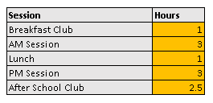

3 | In cell D12 enter your "Total Hourly Funding Rate" for 3/4 YO. This can be found on the schools funding sheet.

4 | In cell D14 enter the amount you charge per hour for each of your AM and PM sessions

5 | In cells E14, G14 and I14 enter the amount you charge per session for Breakfast, Lunch and Afterschool Club

 | Example

 | Note: | Children should be able to take up their free hours as part of continuous provision and providers
 |  | should avoid artificial breaks in the day wherever possible. For example, the lunch time hour/session
 |  | should form part of the free provision where the child is attending a morning and afternoon session.
 |  | Providers can charge for meals and snacks as part of their delivery of the free entitlement as long
 |  | as parents are not required to pay as a condition of taking up their child’s free entitlement place.

6 | Occupancy
 | Entering occupancy details is split over Funded and Paid for Places to give the best flexibility for schools who offer a
 | mixture of both.
 | Please enter the number of children who attend each session each day.

 | Note: | Unstructured Session (in hrs) enables you to quickly enter a total number of hours you provide in a
 |  | day instead of having to break it down per pupil.

7 | Staffing
 | Staffing can be entered against either Funded Occupancy or Paid. There is space for a total of 4 teachers and
 | and 14 Non-Teaching members of staff over both.

 | The scale point for each member of staff needs to be selected from the drop down list and a total number of hours per day
 | and days per week needs to be entered in order for a weekly cost to be calculated. ForTeachers the option is available to
 | select a TLR if required.
 | If a TLR3 is required then the annual value of the TLR3 will need entering in the Hourly Rates Tab in Cell B12.

 | Note: Teachers contracted hours per day need to be entered; for example a full time teacher is paid 6.49hrs per day over
 | 5 days and should be entered as follows:

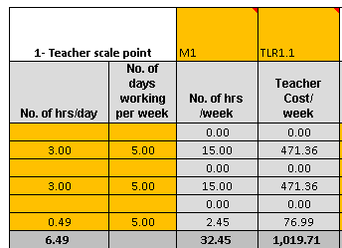

 | A part time teacher could be entered as follows:

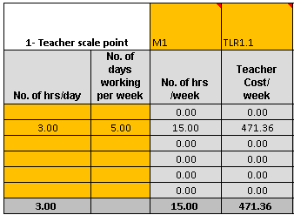

8 | Unit Cost Analysis

 | The Unit cost analysis can be found in cell C52 onwards

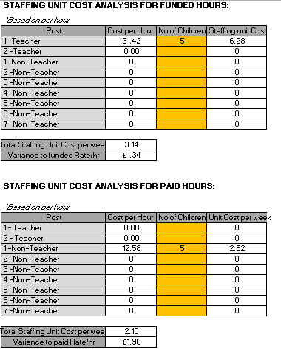

 | The total number of children attending each hour the member of staff works is the only figure that needs to be entered.
 | This allows the School to establish how much that member of staff costs per funded hour worked.

 | Based on the occupancy details and level of staffing entered for the week a total Staffing Unit Cost per hour is calculated
 | along with a Profit or Loss figure for every hour provided.

9 | Overheads
 | Overheads can be entered on the Overheads Tab.
 | An Overhead Unit Cost can then be calculated on the Weekly Occupancy v Cost Tab when the number of children is
 | entered in cell E92

