2023-24
Proposed Carriageway Capital Programme 2023/24 - Budget and Carbon Consumption Dashboard |  |  |  |  | Proposed Carriageway Capital Programme 2023/24 - Budget and Carbon Consumption Dashboard
The carriageway Capital Programme for 2023/24 was presented to Cabinet in March 2023. Following on from previous years work to assess and reduce our carbon impact due to these works an assessment of the emissions of the proposed carriageway reconstruction capital programme for 2022/23 has been undertaken. This includes the scope 3 emissions of the 'cradle-to-gate' production of materials, an advancement from previous years assessment is the inclusion of an average value for transportation to site and the carbon emissions associated with the installation of the materials. This shows a carbon footprint of approximately 3162 tonnes of carbon dioxide equivalence (CO₂e) from the programmes' activities, with a saving of 635 tonnes of CO₂e, representing a 20.1% saving. This has been achieved through the use of warm mix asphalt on the majority of resurfacing schemes and the extensive use of ex-situ recycling. Ex-situ recycled material has been adopted for the majority of schemes in lieu of hot mix binder course. The savings are equivalent to over 2.3million miles driven by an average UK passenger car or the energy usage of 209 average UK homes. The percentage savings are slightly up on previous years 9% due to the shift towards more structural works on the unclassified urban residential network, which has allowed the use of significant volumes of ex-situ recycled material from the now fully mobilised cold recycled bound materials framework.
An assessment of the scope 1, 2 and 3 emissions of the proposed carriageway capital programme for 2023/24 has been undertaken and this Dashboard aims to set out in one place an overview of the carriageway capital programme, in terms of capital budgets, carbon consumpation and savings made. It aims to contextualise these savings, where they have been made and provide the information and evidence required to guide future savings and efficiencies.

Total Programme Carbon Consumption and Savings | kgCO2e consumption per £ spent |  | kgCO2e consumption per m2 treated
 | Tonnes | Value | Percentages
 | 3162 | 79.906704219 | 1
 | 2526 | 2
 | 635 | 118.09329578
 | 0.16 |  | 3.56

 |  | Average kgCO2e consumed per m2 treated |  | Average cost per m2 treated

 | Surface Dressing | 1.47 |  | £12.07
 | Resurfacing/ Reconstruction | 10.39 |  | £61.37
 |  |  |  |  | Statistics
 | Externally Funded Schemes | 14.37 |  | £45.04
 |  |  |  |  | Budget Expenditure | Externally Funded Schemes | Resurfacing/Reconstruction | Surface Dressing | Sub-total
*comparisons calculated from DBEIS 2022 emissios factors;
Average car - 0.27492 KgCO₂e per mile
UK Home based on average energy use of 2,900kWH electricity & 12,000kWH gas and emissions factors of 0.19338 kgCO2e per kWH for electricity, with additional transmission and distribution losses of 0.01769 kgCO₂e per kWh. Gas emission factor of 0.20227 kgCO₂e per kWh.
 |  |  |  |  | ABC | £936,000 | £1,179,528 | £3,209,898 | £5,325,426
 | Total capital programme budget expenditure |  | Total m2 of carriageway to be treated |  | Urban Unclassified | £0 | £4,369,305 | £2,466,508 | £6,835,813
 |  |  |  |  | Rural Unclassified | £674,949 | £1,462,860 | £1,082,903 | £3,220,712
 | £15,381,951 |  | 710,168 |  | Sub-total | £1,610,949 | £7,011,693 | £6,759,309 | £15,381,951

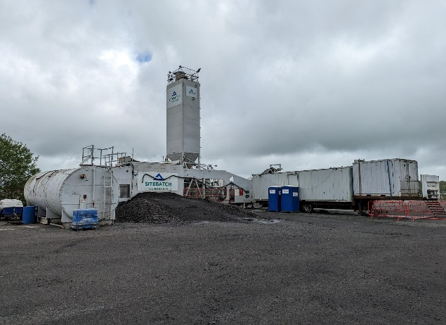
Processing of asphalt arising located at BAE Samslebury Enterprise Zone (B)
The runways and aprons at the former BAE Samlesbury Site are mechically removed and transported the short distance across the site where they are crushed to produced a uniform grading of material that is suitable to be incorporated into a cold recycled bound material for use across the Lancashire Highway Network.
 |  |  |  |  | Treatment Area (m2) | Externally Funded Schemes | Resurfacing | Surface Dressing | Sub-total
 |  |  |  |  | ABC | 19679 | 21512 | 270746 | 311,937
 |  |  |  |  | Urban Unclassified | 0 | 61844 | 201122 | 262,966
 |  |  |  |  | Rural Unclassified | 16085 | 30894 | 88286 | 135,265
 |  |  |  |  | Sub-total | 35764 | 114250 | 560154 | 710,168

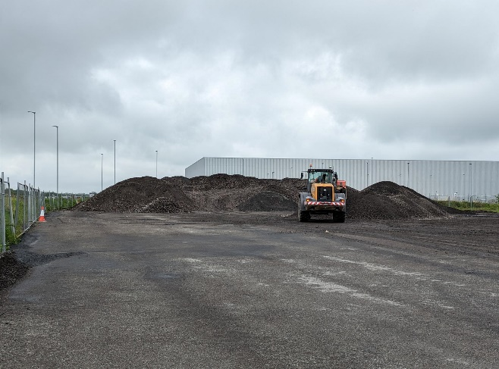
 |  |  |  |  | CO2e (tonnes) - non-reduced | Externally Funded Schemes | Resurfacing | Surface Dressing | Sub-total
 |  |  |  |  | ABC | 424 | 260 | 349 | 1,033
 |  |  |  |  | Urban Unclassified | 0 | 961 | 304 | 1,265
 |  |  |  |  | Rural Unclassified | 323 | 368 | 172 | 863
 |  |  |  |  | Sub-total | 747 | 1589 | 826 | 3,162
Ex-situ Recycling Mobile Plant located at BAE Samslebury Enterprise Zone (B)
Once the asphalt arisings from the runways and aprons are crushed they are stockpiled next to a mixing plant. They are then loaded in to the ex-situ plant where they are cold mixed with foamed bitumen, cement and PFA. This produces a material with a high level of quality control that behaves as a traditional hot mix asphalt. It is a cold process that can include upto 90% recycled content, including asphalt containing coal tar.
 |  |  |  |  | CO2e (tonnes) - reduced | Externally Funded Schemes | Resurfacing | Surface Dressing | Sub-total
 |  |  |  |  | ABC | 305 | 171 | 349 | 826
 |  |  |  |  | Urban Unclassified | 0 | 732 | 304 | 1,036
 |  |  |  |  | Rural Unclassified | 209 | 284 | 172 | 665
 |  |  |  |  | Sub-total | 514 | 1,187 | 826 | 2,526

 |  |  |  |  | CO2e (tonnes) - savings | Externally Funded Schemes | Resurfacing | Surface Dressing | Sub-total
 |  |  |  |  | ABC | 119 | 88 | 0 | 207
 |  |  |  |  | Urban Unclassified | 0 | 229 | 0 | 229
 |  |  |  |  | Rural Unclassified | 114 | 85 | 0 | 199
 |  |  |  |  | Sub-total | 233 | 402 | 0 | 635

Proposed Carriageway Capital Programme 2022/23 - Budget and Carbon Consumption Dashboard |  |  |  |  | Proposed Carriageway Capital Programme 2022/23 - Budget and Carbon Consumption Dashboard

Carbon Consumption and Area Treated by Treatment Type
Carbon Consumption (tonnes CO₂e) by Programme
Forecast Budget Expenditure by Programme
Externally Funded Schemes | 35764 | 514
Resurfacing | 114250 | 1187
Surface Dressing | 560154 | 826
Carbon Footprint and Capital Expenditure by Programme and Treatment |  |  |  |  | Capital Expenditure and Carbon Footprint vs Area Treated
 |  |  |  |  |  |  |  |  |  | CO2e Pointer Graphic
 |  |  |  |  |  |  |  |  |  | Pie Chart Data |  | Pointer |  | 20.1 | %
 |  |  |  |  |  |  |  |  |  | Non Reduction CO2e | 3162 | Labels |  | 20.1
 |  |  |  |  |  |  |  |  |  | Reduced CO2e | 2526 | Value | 79.9 | % carbon saving
 |  |  |  |  |  |  |  |  |  | CO2e savings | 635 | Point | 2 | 20.1% carbon saving
 |  |  |  |  |  |  |  |  |  |  |  | End | 118.09329578

This figure shows that surface dressing represents 79% of the proposed works programme by area but just 33% by CO₂e emissions, conversely resurfacing (inclduign recosntruction) works account for 18% of the proposed works programme by area but 48% of the CO2e footprint. As such surface dressing treatments result in the lowest CO₂e footprint per m², with the CO₂e footprint of surface dressing being approximately just over a quarter of that of resurfacing, while nearly less than a seventh of reconstruction.

Carbon Consumption (tonnes CO₂e) by Treatment
Budget Expenditure by Treatment
 | Externally Funded Schemes
Externally Funded Schemes | 514
Resurfacing | 1187
Surface Dressing | 826
 | Externally Funded Schemes
Externally Funded Schemes | £1,610,949
Resurfacing/Reconstruction | £7,011,693
Surface Dressing | £6,759,309
 | Externally Funded Schemes
Externally Funded Schemes | 35764 | £1,610,949
Resurfacing | 114250 | £7,011,693
Surface Dressing | 560154 | £6,759,309
Budget Expenditure and Area Treated by Treatment Type

This figure shows that surface dressing represents 79% of the proposed works programme by area but just 44% by budget, conversely resurfacing (including reconstruction) works account for 16% of the proposed works programme by area but 45% of the budget. This bears out a near linear relationship between carbon footprint and cost - the higher the cost the higher carbon footprint. The goes to further reinforace the TAMP princiiples of prevenatitive maintenace being not only the most efficinet use in budget but also having the lowest carbon footprint and most efficient use of reasources.

