Instructions
 | 3/4 Year Old Weekly Costing Tool

 | Background

 | This spreadsheet has been developed following the introduction of the Extended 30hr Entitlement from Sept2017.
 | The aim of this spreadsheet is to allow a Nursery to be able to better analyse their staffing expenditure against levels of
 | occupancy and the income they receive for this.
 | The data can be used to help the Nursery assess whether the levels of occupancy they are expecting are likely to cover the
 | cost of the staffing, to establish a break-even point and to help determine if other non staffing costs can me met from any
 | surplus identified.

 | Assumptions

 | The spreadsheet is designed as a snapshot tool rather than a budgeting tool so that data can be looked at on a weekly basis.
 | This helps with varying levels of occupancy and assists with matching staffing levels to this.
 | Hourly rates will calculate over 38 weeks to give a direct comparison to how funding is received
 | i.e if you multiply the weekly staffing cost by 38 weeks it will give the total annual salary for that member of staff including
 | holidays and oncosts.

 | Instructions

1 | Cells to be completed are highlighted in |  | orange.

2 | In The Hourly Rates Tab enter the hourly rates of pay within your staffing structure.
 | Hourly rates for Managers and Deputies should be entered in cells B5-B14
 | Average % oncosts should be entered in cell C3
 | Total weeks paid including holidays should be entered in cell E5-E14

 | Hourly Rates for Room Leaders and any other staff should be entered in cells B21-41
 | Average % oncosts should be entered in cell C19
 | Total weeks paid including holidays should be entered in cells E21-E41

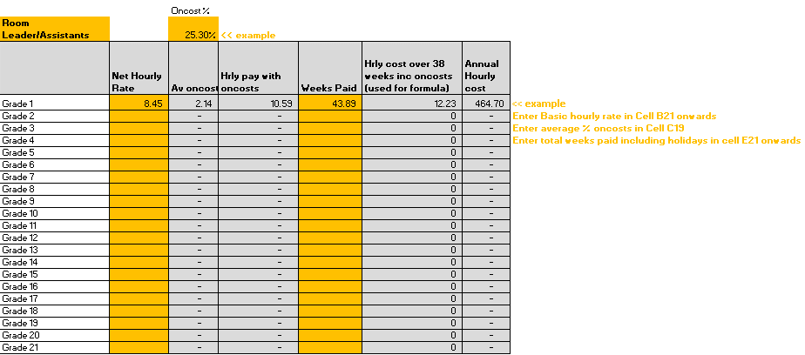

3 | In the Weekly Occupancy v Cost Tab cells; D3 to D7 enter hours provided for each session against each heading
 | (excluding Unstructured Hrs).

 | Example

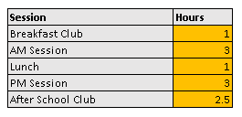

4 | In cell D12 enter your "Total Hourly Funding Rate" for 3/4 YO.

5 | In cell D14 enter the amount you charge per hour for each of your AM and PM sessions

6 | In cells E14, G14 and I14 enter the amount you charge per session for Breakfast, Lunch and Afterschool Club

 | Example

 | Note: | Children should be able to take up their free hours as part of continuous provision and providers
 |  | should avoid artificial breaks in the day wherever possible. For example, the lunch time hour/session
 |  | should form part of the free provision where the child is attending a morning and afternoon session.
 |  | Providers can charge for meals and snacks as part of their delivery of the free entitlement as long
 |  | as parents are not required to pay as a condition of taking up their child’s free entitlement place.

7 | Occupancy
 | Entering occupancy details is split over Funded and Paid for Places to give the best flexibility for a Nursery who offers
 | a mixture of both.
 | Please enter the number of children who attend each session each day.

 | Note: | Unstructured Session (in hrs) enables you to quickly enter a total number of hours you provide in a
 |  | day instead of having to break it down per pupil.

8 | Staffing

 | Staffing can be entered against either Funded Occupancy or Paid. There is space for a total of 16 members of staff
 | over both.

 | For each member of staff the grade needs to be selected from the drop down list and then a total number of hours
 | per day and days per week needs entering in order for a weekly cost to be calculated.

9 | Unit Cost Analysis

 | The Unit cost analysis can be found in cell C51 onwards
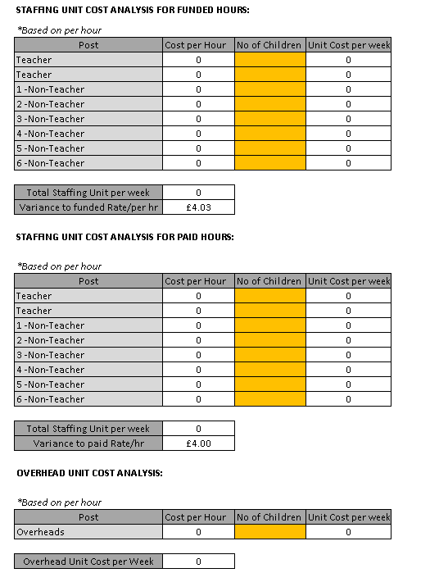

 | The total number of children attending each hour the member of staff works is the only figure that needs to be entered.
 | This allows the Nursery to establish how much that member of staff costs per funded hour worked.

 | Based on the occupancy details and level of staffing entered for the week a total Staffing Unit Cost per hour is calculated
 | along with a Profit or Loss figure for every hour provided.

10 | Overheads can be entered on the Overheads Tab.
 | An Overhead Unit Cost can then be calculated on the Weekly Occupancy v Cost Tab when the number of children is
 | entered in cell E87

